Previous Year Numbers
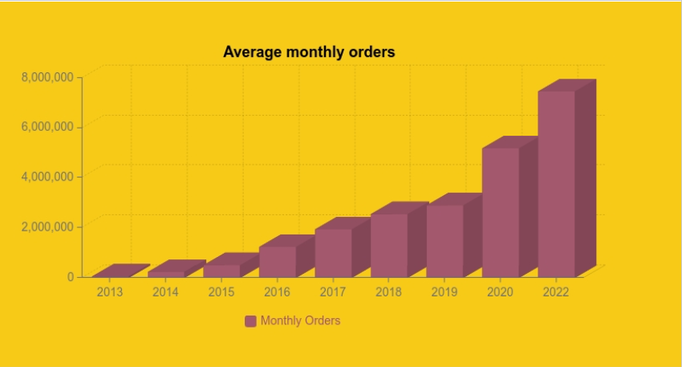
Avg monthly orders for 2022 using straight line trend (Time series)
Year | y | x(year -mid year) | x^2 | xy
2017 | 2,000,000 | -2 | 4 | -4,000,000
2018 | 2,500,000 | -1 | 1 | -2,500,000
2019 | 3,000,000 | 0 | 0 | 0
2020 | 5,200,000 | 1 | 1 | 5,200,000
2021 | 7,600,000 | 2 | 4 | 15,200,000
Total | 20,300,000 | 0 | 10 | 13,900,000

y=a+bx
a=y/n | 4,060,000

b=xy/x^2 | 1,390,000

y=a+bx | 8,230,000 | No of orders in 2022

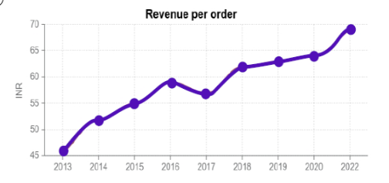
Overall Numbers (2022)
Total Number of Orders |  | 8,230,000
Revenue Per Order |  | 75 |  | Annual growth rate = ((Revenue per order in current year/ Revenue per order in pervious year)-1)*100%
Total Revenue |  | 617,250,000

Bangalore Numbers In 2022 |  |  |  | Annual growth rate in 2018 = ((62/52)-1)*100%=19.23%
Orders Per month |  | 1975200 |  | Annual growth rate in 2019 = ((64/62)-1)*100%=3.23%
Orders Per Day |  | 65840 |  | Annual growth rate in 2020 =((65/64)-1)*100% =1.56%
Orders Per Day During Peak hours |  | 46088 |  | Annual growth rate in 2021 = ((70/65)-1)*100% = 7.69%
Revenue During Peak Hours |  | 3456600 |  | Avg Annual growth rate = (19.23+3.23+1.66+7.69)/4 =7.18%

 |  |  |  | Revenue per order in 2022 = Revenue per order in 2021 *(1+Average annual growth rate)
 |  |  |  | Revenue per order in 2022 = 70*(1+7.18%)
RPO for the last 5 years is as follows: |  |  |  |  | Rs. 75.15
Year | RPO (Rs) | Annual growth rate (%)
2017 | 52 | 19.23
2018 | 62 | 3.23
2019 | 64 | 1.56
2020 | 65 | 7.69
2021 | 70 | 7.18
2022 | ? | ?

Projected Growth
Projected Growth for 5 years
Projected 5 year growth rate considering 25% annual growth rate(source Skillovilla pdf)
Year | Revenue
2023-24 | ₹ 3,206,208,000
2024-25 | ₹ 4,007,760,000
2025-26 | ₹ 5,009,700,000
2026-27 | ₹ 6,262,125,000
2027-28 | ₹ 7,827,656,250

